Template
Please Fill In
Do Not Fill In (Autofill) |  |  |  |  |  | Instructions: | Here are the additional expenses that you may need to consider.
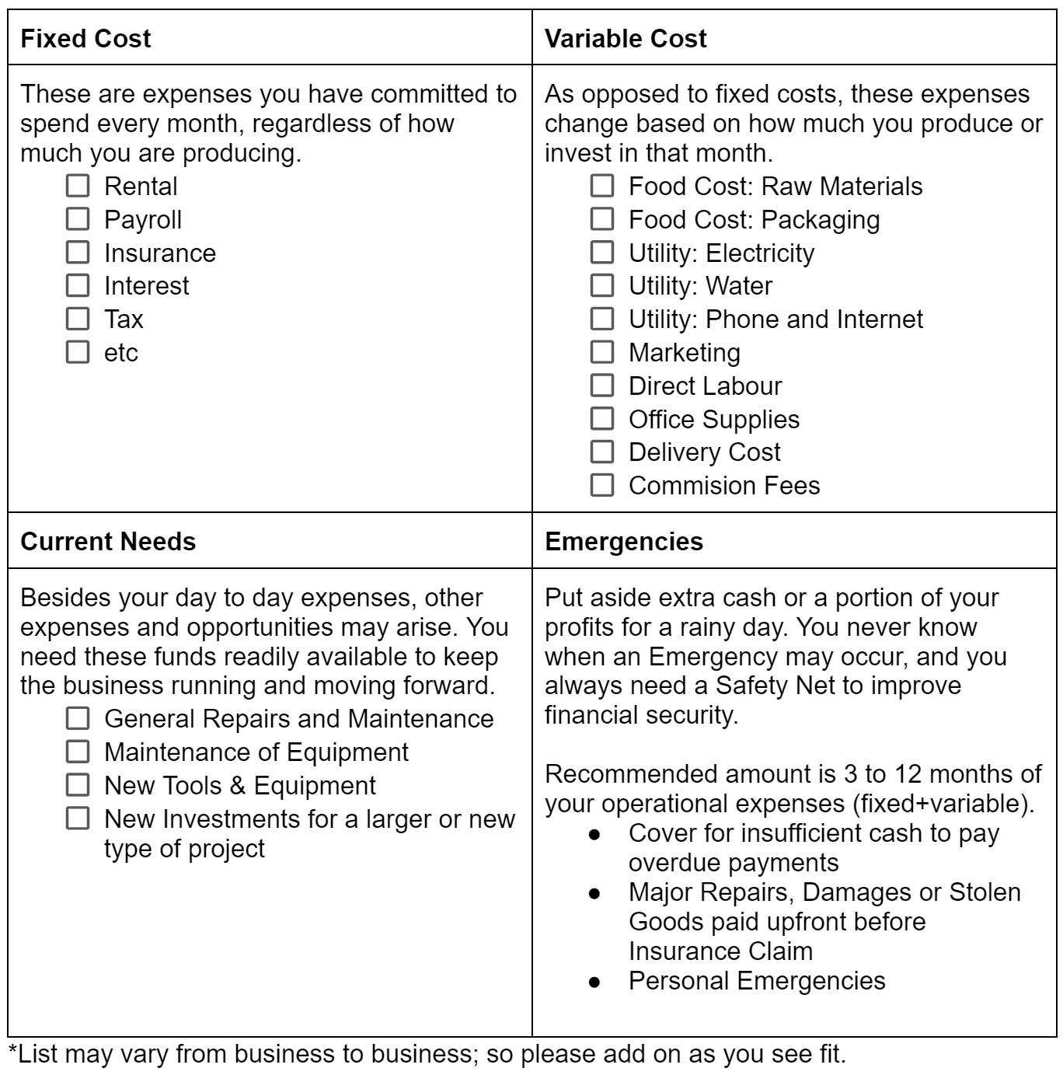
Expenses Quadrant
 |  |  |  | Total Expenditures:
Fixed Cost | 0.00 | Variable Cost | 0.00
 |  |  |  | Fixed Cost | 0.00
 |  |  |  | Variable Cost | 0.00
 |  |  |  | Current Needs | 0.00
 |  |  |  | Start Up Cash | 0.00

 |  |  |  | Emergency Fund*
 |  |  |  | *Recommended

 |  |  |  | Total Required for Start Up | 0.00

Current Needs | 0.00 | Emergency Funds

startup.kuali.com
Brought to you by:

